Request
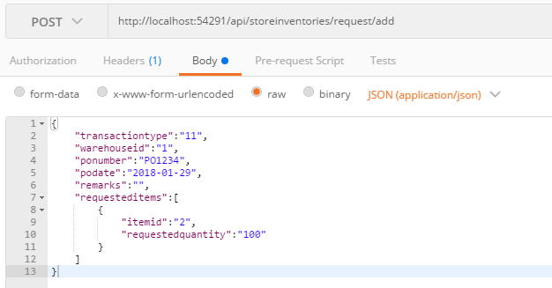
Parameter | Data Type | Length | Required | Unique | Remarks
TransactionType | Int |  | Yes |  | 10 = PhysicalCount 11 = PO 12 = Request 13 = Return 14 = Sales 15 = Transfer
WarehouseId | Int |  | See Remarks |  | If TransactionType = 11 or 15 Then it will be required
PONumber | String |  | See Remarks |  | If TransactionType = 11 or 15 Then it will be required
PODDate | Date |  | See Remarks |  | If TransactionType = 11 or 15 Then it will be required
Remarks | String
RequestedItems | Array |  | Yes
ItemId | Int |  | Yes
RequestedQuantity | Int |  | Yes
RequestedRemarks | String

Example

Response
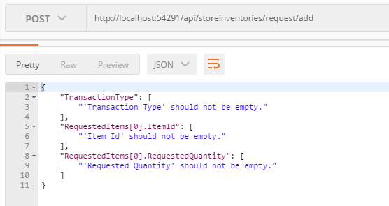
With error

